CA SHEET-2
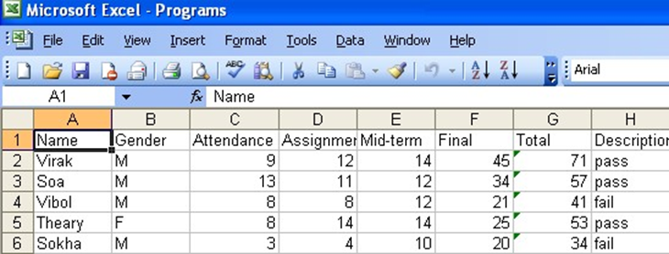
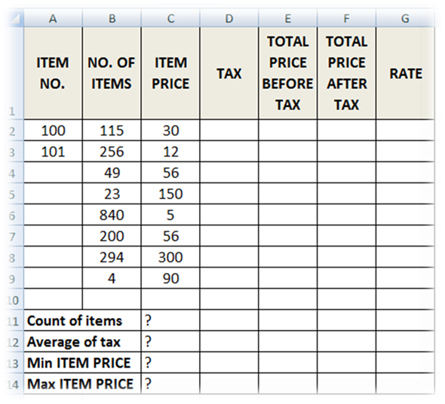

Q1. For the above table find the following:

1. TAX (If ITEM PRICE is less than 100, TAX is 50, otherwise it should be 100).
2. TOTAL PRICE BEFORE TAX =NO. OF ITEMS * ITEM PRICE.
3. TOTAL PRICE AFTER TAX = TOTAL PRICE BEFORE TAX + TAX.
4. RATE (If TOTAL PRICE AFTER TAX > 3500 then the rate is “HIGH”, otherwise it is REASONABLE.
5. Find Count of Items, Average of Taxes, Min Item PRICE and Max Item PRICE.

Q2. A worksheet contains following data :
C | A | B | C | D | E
1 | NAME | GENDER | CLASS | CATEGORY | FEES
2 | Deep | M | FY | Open | 3000
3 | Jayesh | M | SY | Reserved | 1000
4 | Yash | M | TY | Reserved | 1000
5 | Sara | F | FY | Reserved | 500
6 | Gita | F | FY | Open | 3000
7 | Jinal | F | TY | Open | 5000
8 | Kavita | F | SY | Open | 4000
9 | Minal | F | SY | Reserved | 1000
10 | Karan | M | TY | Reserved | 1000
11 | Abhay | M | TY | Open | 5000
12 | Bina | F | FY | Open | 3000
13 | Seema | F | FY | Reserved | 500
14 | Naresh | M | FY | Reserved | 500
15 | Rima | F | TY | Open | 5000
16 | Gajendra | M | SY | Open | 4000

Filter the worksheet to show
a) Female students from Reserved category
b) Male students from TY
c) Open category students paying fees > 3000

Q3. The following are the salaries of five employees

Pay Roll No | Name | Salary Rs. | Part time Rs. | Accounts

1011 | Prasanna | 10000 | 900 | 1800
1012 | Anitha | 14000 | 800 | 1600
1013 | Ravi | 18000 | 700 | 1700
1014 | Saritha | 15000 | 600 | 1600
1015 | Mallika | 17000 | 500 | 1800

Using Conditional Formatting list out employees who got
a) Less than Rs. 15000 as salary | b) More than Rs. 700 as Part time
c) Between Rs. 1600 and Rs. 1800 as Arrears.

Q4. ADD A NEW WORKSHEET TO THIS WORK BOOK AND CREATE THE SHEET BELOW . BASED ON THE SHEET ANSWER THE QUESTIONS AND FILL DATA

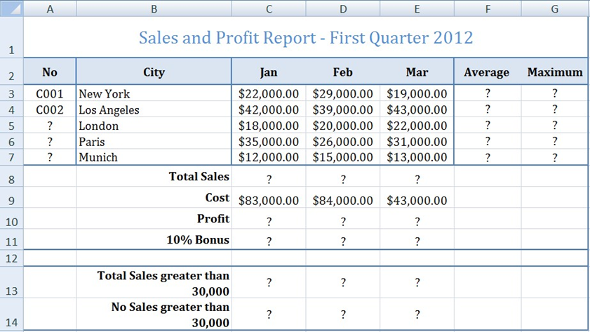

1. Create the worksheet shown above.
2. Set the Text alignment, Columns width and high appropriately.
3. Use AutoFill to put the Series Numbers into cells A5:A7.
4. Format cells C3:G7, C8:E11, C13:E13 to include dollar sign with two decimal places.
5. Find the Average Sales and Maximum Sales for each City.
6. Find the Total Sales for each Month.
7. Calculate the Profit for each month , where profit = Total Sales – Cost
8. Calculate the 10% Bonus, which is 10% of the Profit.
9. Find the Total Sales for each Month; only for sales greater than 30,000.
10. Find the No of Sales for each Month; only for sales greater than 30,000.

Q5. In this problem you are given the name, gender, attendance, assignment, midterm and final grades of five students. Find the total of the assessment marks. Students who pass need to have a total score greater than or equal to 50. Display the word "Pass" or "Fail" under a column called Description. CREATE THE TABLE IN NEW SHEET.

